Sheet2
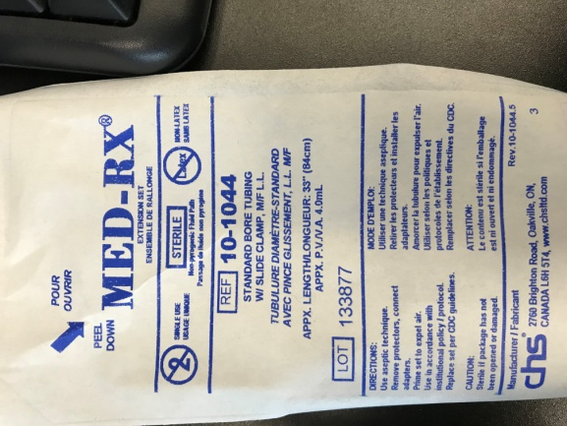
 | Component | Material | Dimensions | Supplier | Supplier P/N | Qty | Cost | Manufacturing Sterility Cert | Assembly Instruction: | Assembly Sterility Cert: | ordered?
Tubing Assembly:
 | Wristed Tip | Nitinol Tube | 1.24mm OD 1.0287 ID long enough to go into handle | Confluent Medical (NDC) https://shop.confluentmedical.com/collections/tube | TSE0490X0405GS (quote) |  |  | obtainable: Confluent medical makes medical- grade NiTi | long shaft, attached to handle via collet stainless steel wire is looped through 2 holes at the top |  | ordered through myfinance - waiting for approval and the order
 |  | laser cutting |  | Pulse |  |  |  |  | sent request for quote to Pulse (Bob Lamson) |  | ordered through Pulse
 | SS wire to actuate wrist | stainless steel | 0.19mm OD = 0.0075" OD | in lab - Sava
 | Niti tubing to reinforce shaft and prevent the tube from slipping in the collet | Nitinol Tube | ID = OD of wrist | Confluent Medical (NDC) |  |  |  |  | Laser welded to the niti wrist
 | collet 1.75 mm ID |  |  | Ebay | see quote: C:\Users\arushri swarup\Documents\Wrist Tool Assembly\Clinical Tool\Components info and quotes | 3 pairs | CAD 32.25 | unknown manufacturer | clamped by the collet thread cap |  | acquired
 | Collet thread cap | stainless steel 316 |  | Metal 3D printed | Protolabs quote |  |  | Protolabs | screws onto the handle body |  | order from Protolabs
 | Handle Body | stainless steel 316 |  | Metal 3D printed | Protolabs quote |  |  | Protolabs | holes with threads for the collet thread cap, ultra low profile screw |  | order from Protolabs
 | Wedge | Ultem1010 |  | 3D printed U of T medstores | see quote: C:\Users\arushri swarup\Documents\Wrist Tool Assembly\Clinical Tool\Components info and quotes |  |  | 3D printed | holes for cable/tube assembly, 4-40 set screw |  | order from Protolabs
 | M2 screw | SS | 12mm length |  |  |  |  |  | attaches wedge to handle |  | ordered through mcmaster carr
 | M2 nut | SS |  |  |  |  |  |  | secures M2 screw |  | ordered through mcmaster carr
 | tube that is clamped in the wedge | SS | OD = 1mm ID = 0.5mm | McMaster Carr | 50415K38 |  |  | ask McMaster Carr | laser welded to the cable end and set screw clamped into the wheel |  | ordered through mcmaster carr
 | set screw for wedge | SS | 4-40 | McMaster Carr |  |  |  | ask McMaster Carr | set screw clamps the cable + tube into place in the wheel
 | luer plus suction tubing | sterilized suction tubing |  | SickKids OR - MED-RX, Standard bore tubing with slide clamp, M/F L.L., REF 10-1044 (see picture below) |  |  |  |  |  |  | In the OR
 | Niti tubing where the laser fibre will enter the tool/where suction tubing will be fed onto it | Nitinol Tube | OD = ID of suction tubing | Confluent Medical (NDC) |  |  |  |  | Laser welded to the niti wrist

to order
to print/make |  | spoke with members of the lab - Thomas, Peter, Kyle, Vito about manufacturing clinical tool - suggested components not be toxic/have coatings and sterilize twice - once before assembly, once after assembly Greg from medical engineering - can probably use set screws, screws from McMaster Carr as they are currently used for surgical instruments that they make/fix Andrew from Baylis - current instruments are made from stainless steel which is compatible for surgical instruments and baylis suture passer uses stainless steel shaft, screw, etc. that are biocompatible (ss is biocompatible) and ensures they are cleaned before being used - i.e. no oils on the surface. Louis Konstant from sterilization said that any stainless steel can be sterilized - send him the sample and then they will test to make sure it is sterilizable

